BSM Model - Calculations
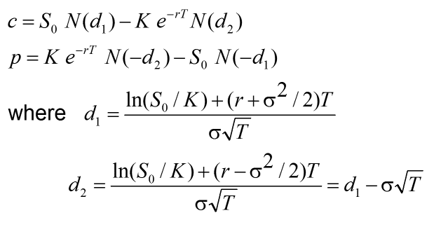
Inputs | Symbols | Assumed Values
Underlying Price | S | $42.00
Strike Price | K | $40.00
Time to Expiration | T | 0.5
Risk Free Rate | r | 0.1
Volatility | σ | 0.2

Calculations
Call | c | $4.65
Put | p | $5.13

d1 | 0.4376988938
d2 | 0.2962775376

